7.19
Normal Probability

Mean = | 7
Standard Deviation = | 0.1

 | Compute probability: | X < |  |  |  | ==> | 0.00%

 | Compute probability: | X > | 7.25 |  |  | ==> | 0.62% | --> b) prob = 0.62%

 | Compute probability: | Range | 7.1 | <= X <= | 7.25 | ==> | 15.24% | --> a) prob = 15.24%
 |  | (i.e., between 2 values)

 | Find actual score: | Percentage ABOVE = |  |  |  | ==> | #NUM!
 |  | (i.e. % greater than)

 | Find actual score: | Percentage BELOW = |  |  |  | ==> | #NUM!
 |  | (i.e. % less than)

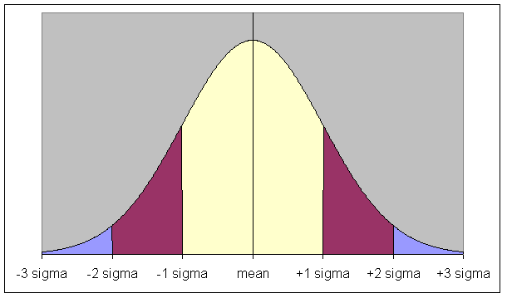

 | Approximately 68% of all observations within 1 standard deviation of the mean
 | Approximately 95% of all observations within 2 standard deviations of the mean
 | Approximately 99.7% of all observations within 3 standard deviations of the mean

